Table 2
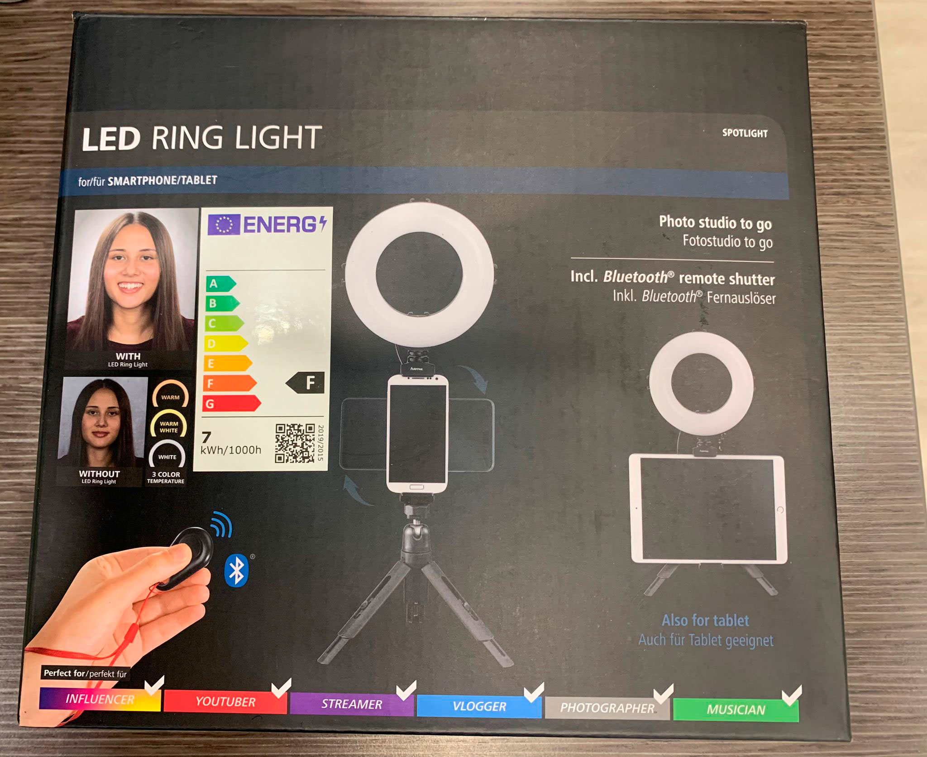
Picture | URL | Code | EAN | Description | Units | Units / Box | Retail | Total Retail | Web Prices | Total Web prices
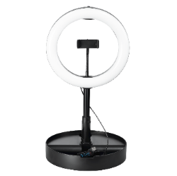 | https://www.conrad.com/p/hama-spotlight-foldup-102-led-ring-light-eec-g-a-g-no-of-leds128-2268293 | 4642 | 4007249046420 | Foco LED-RL 102 | 3303 |  | 59.00 € | 194,877.00 € | 27.99 € | 92,450.97 €
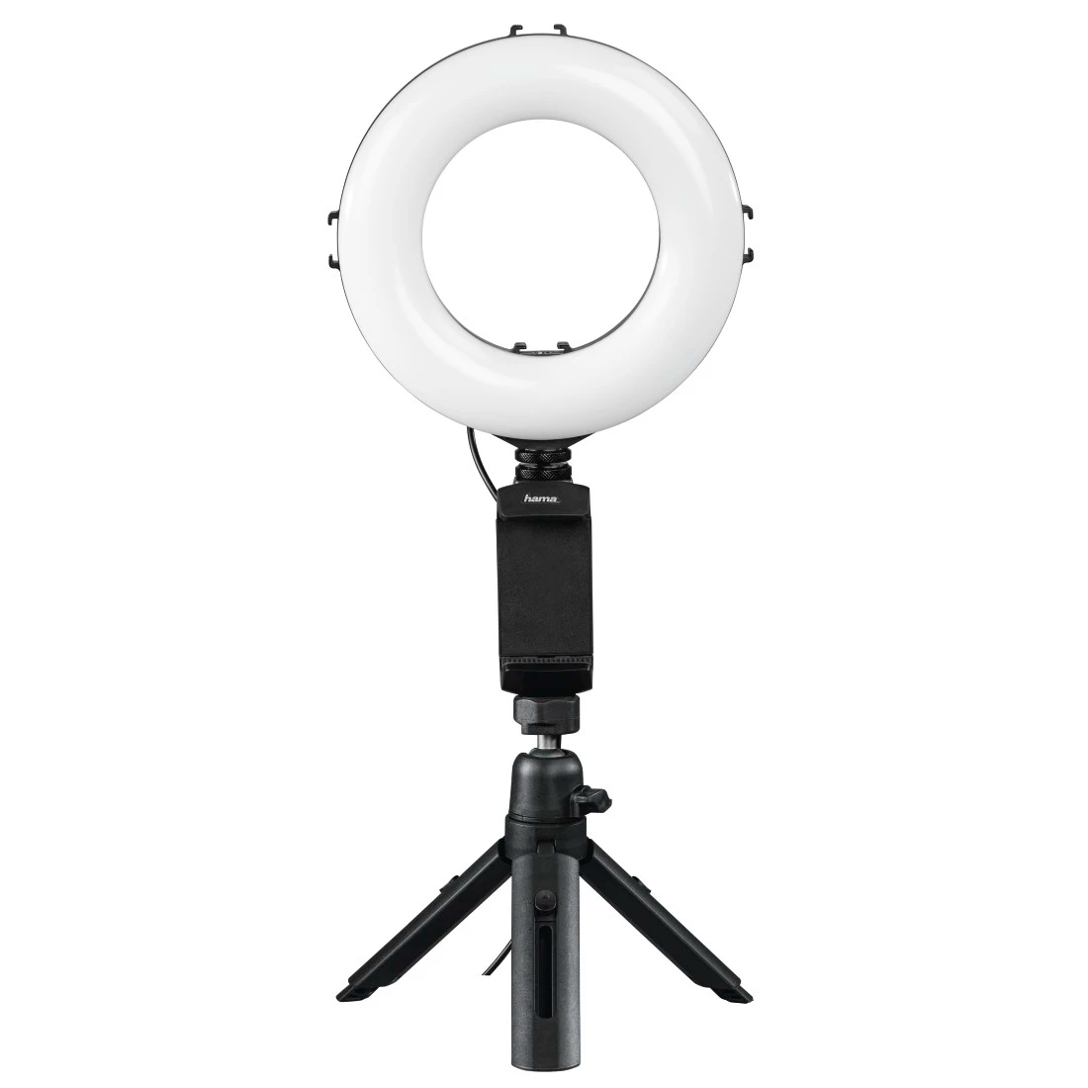 | https://www.camara.net/flashs-et-eclairage/flashs-annulaires-macro/hama-lampe-annulaire-led-de-6-7.html | 4644 | 4007249046444 | Foco LED-RL 67 | 3422 |  | 39.95 € | 136,708.90 € | 23.90 € | 81,785.80 €
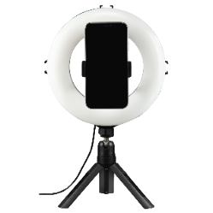 | https://electromall.net/product/hama-spotlight-smart-80-led-ring-light-set-for-smartphones/ | 4651 | 4007249046512 | Foco LED Smart 80 | 3388 |  | 30.00 € | 101,640.00 € | 20.00 € | 67,760.00 €
Total |  |  |  |  | 10113 |  |  | 433,225.90 € |  | 241,996.77 €

